2025-80B
Country | Delivery Address | Product |  | Carton dimension | Total Carton Quantity | Pallet Specifications Use 48x40 inch (120 x 100 cm) pallets Stack no higher than 54 inches (137 cm) | Pallet Stacking Breakdown | Single SKU | Mixed Pallet | Subtotal:
USA | ShipBob, 28010 Eucalyptus Ave, Moreno Valley, CA 92555 USA | 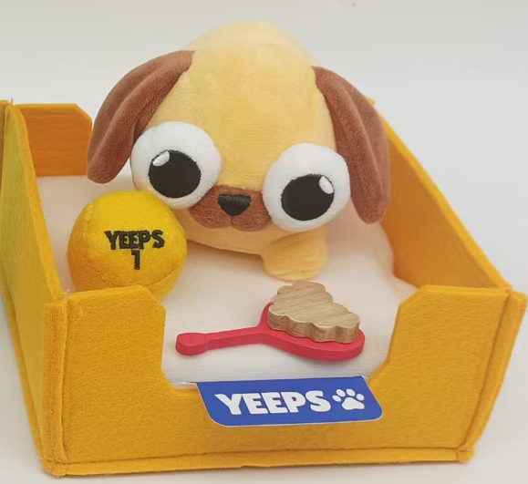 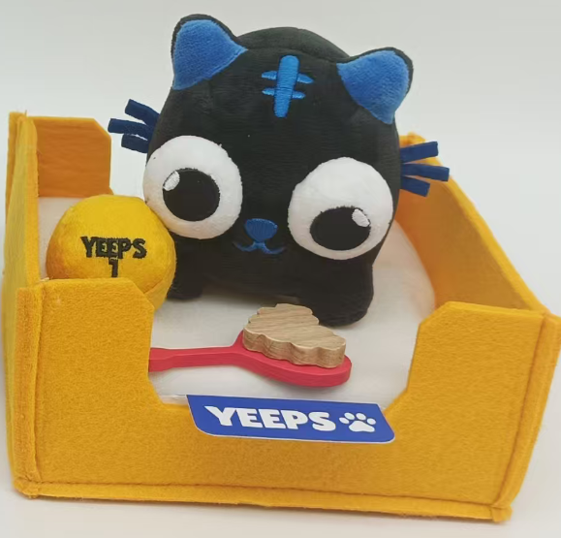 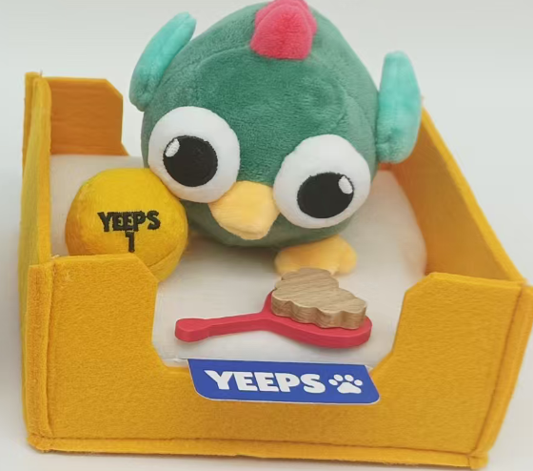 | Pet Plushes | 48x46.7x33cm | 495 | 4 cartons per layer, 3 layers, 12 cartons per pallet 41 pallets × 12 cartons = 492 cartons 1 pallet × remaining 3 cartons | YP5: 165 cartons 13 pallets = 156 cartons Remaining: 9 cartons | YP5: 13 pallets 1 pallet (9 cartons) |  | 42 pallets
 |  |  |  |  |  |  | YP6: 165 cartons 13 pallets = 156 cartons Remaining: 9 cartons | YP6: 13 pallets 1 pallet (9 cartons)
 |  |  |  |  |  |  | YP7: 165 cartons 13 pallets = 156 cartons Remaining: 9 cartons | YP7: 13 pallets 1 pallet (9 cartons)
UK | Wellesbourne Fulfillment Center BHX-2 Unit 3, Wellesbourne Distribution Park 13 Loxley Road Wellesbourne, Warwickshire CV35 9JY United Kingdom |  | Pet Plushes | 48x46.7x33cm | 54 | 4 cartons per layer, 3 layers, 12 cartons per pallet 4 pallets × 12 cartons = 48 cartons 1 pallet × remaining 6 cartons | YP5: 18 cartons 1 pallet = 12 cartons Remaining: 6 cartons | YP5: 1 pallet | 1 pallet: YP5 (6 cartons) + YP6 (6 cartons) | 5 pallets
 |  |  |  |  |  |  | YP6: 18 cartons 1 pallet = 12 cartons Remaining: 6 cartons | YP6: 1 pallet
 |  |  |  |  |  |  | YP7: 18 cartons 1 pallet = 12 cartons Remaining: 6 cartons | YP7: 1 pallet 1 pallet (6 cartons)

